Sheet1
 | P1 | P2 | P3 | P4 | P1 | P3 | P4 | P1 | P3 | P3
0 | 20 | 37 | 57 | 77 | 97 | 117 | 121 | 134 | 154 | 162
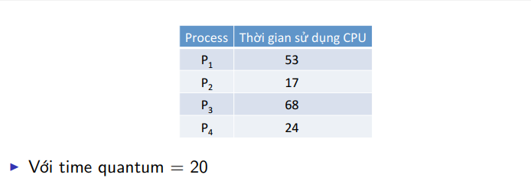

 |  |  | P1 | 53 | 33 | 13 | 0 | 0
 |  |  | P2 | 17 | 0 | 0 | 0 | 0
 |  |  | P3 | 68 | 48 | 28 | 8 | 0 |  | 94
 |  |  | P4 | 24 | 4 | 0 | 0 | 0

 |  |  |  |  | P1 | 81
 |  |  |  |  | P2 | 20
 |  |  |  |  | P3 | 94
 |  |  |  |  | P4 | 97
 |  |  |  |  | Tong | 73

Sheet2
 | P1 | P2 | P3 | P4 | P5 | P1 | P3 | P5 | P1 | P3 | P5 | P1 | P3 | P1
0 | 2 | 4 | 6 | 7 | 9 | 11 | 13 | 15 | 17 | 18 | 19 | 20 | 22

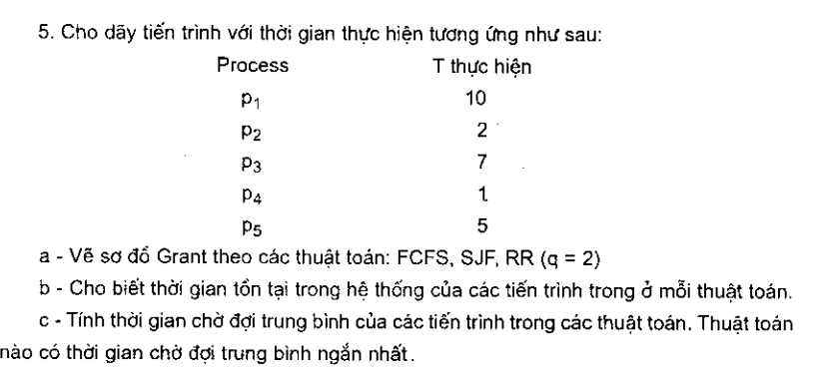

 | P1 | 10 | 8 | 6 | 4 | 2
 | P2 | 2 | 0 | 0 | 0 | 0
 | P3 | 7 | 5 | 3 | 1 | 0
 | P4 | 1 | 0 | 0 | 0 | 0
 | P5 | 5 | 3 | 1 | 0 | 0

